Sheet1
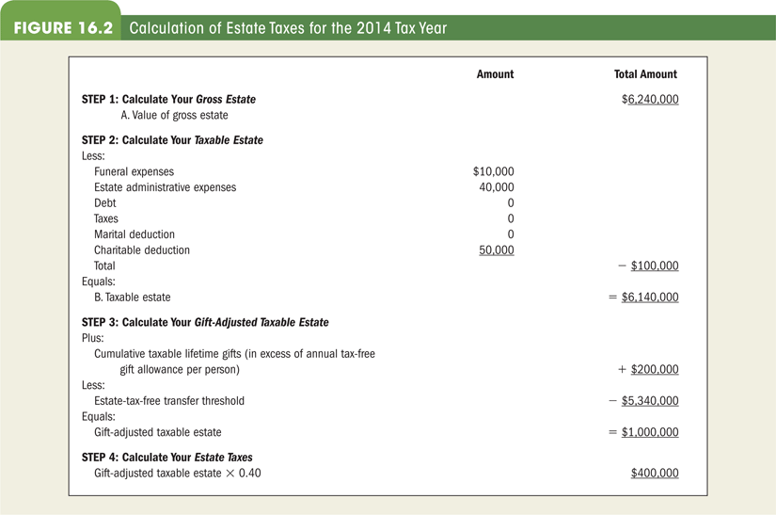
 | Calculation of Estate Tax

 |  |  | Amount | Total Amount
Step 1: Calculate Your Gross Estate
 | A. Value og Gross Estate |  |  | $16,240,000

Step 2: Calculate Your Taxable Estate
Less:
 | Medical Expense |  | 5,000
 | Funeral Expenses |  | 10,000
 | Estate Administrative Expenses at 4% |  | 649,600
 | Debt |  | 120,000
 | Outstanding Taxes |  | 50,000
 | Marital Dedudtion |  | -
 | Charital Dedudtion |  | 125,000
 |  | Total |  | 959,600
Equals:
 | B. Taxable Estate |  |  | 15,280,400

Step 3: Calculate Your Gift-Adjusted Taxable Estate
Plus:
 | Cumulative taxable life time gifts (in excess of the |  |  | 450,000
 | $15,000 limit per person)
Less:
 | Estate Tax Free Limit |  |  | 11,700,000
Equals:
 | Gift-Adjusted Tax Free Estate |  |  | 4,030,400

Step 4: Calculate Your Estate Taxes
 | Gift-Adjusted Tax Free Estate x 40% |  |  | 1,612,160

